Exhibit 2-EnvironmentalUSA Inv
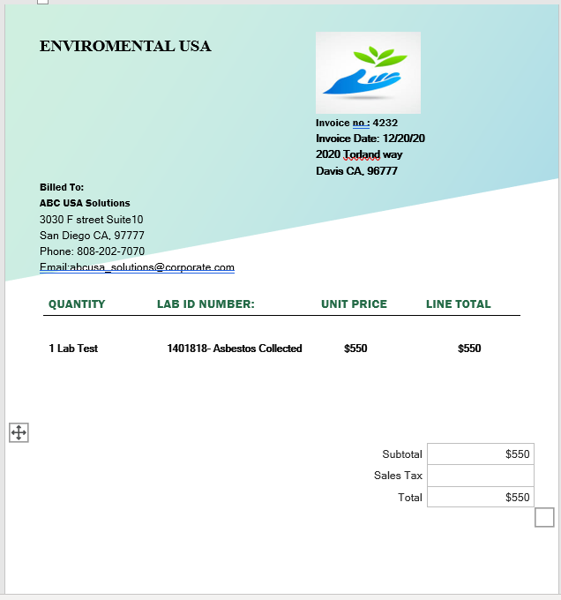
Exhibit 2

Exhibit 2-Backup Docs
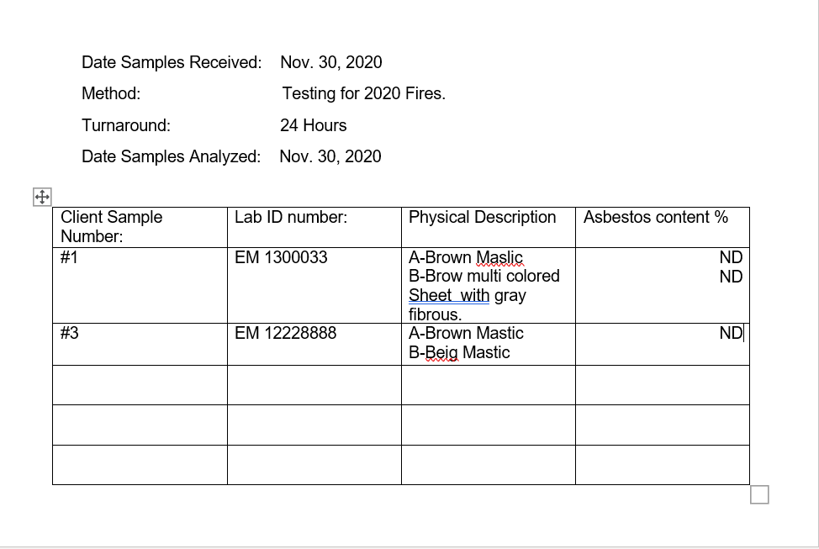
Exhibit 2

